Quotation
SUNON TECHNOLOGY CO.,LTD.
Building 6, Sunon Technological Innovation Park, 1666 Zhixing Road, Xiaoshan District, Hangzhou City, Zhejiang Province, China
PROFORMA INVOICE
Project: 1 |  |  |  |  |  |  |  |  |  | REF:
To: 1 |  |  |  |  |  |  |  |  |  | DATE:
 |  |  |  |  |  |  |  |  |  | PAGE:
No. | Item Name | Photo | Description | Dimension | Color | Q'ty | Vol. | Tot.Vol. | List Price | Unit Price | Tot.Price | Remark
- RECEPCION |  |  |  |  |  |  |  |  | - RECEPCION Tot.Price : | $1,947.00
1 | SILLON U11 | 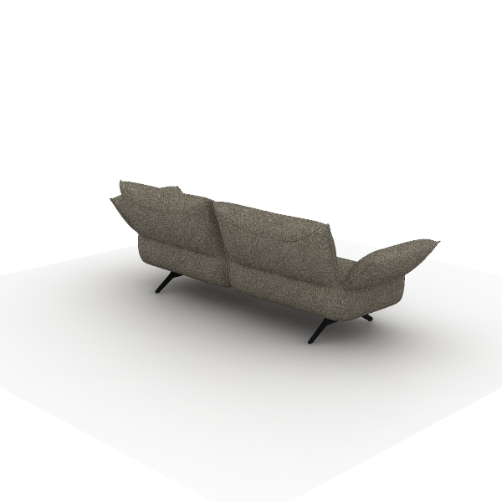 | Material Desctription: 1)Finishing: three-proof fabric, dry rubbing color fastness grade 3-4, wet rubbing color fastness ≥ grade 3, abrasion resistance ≥ 12000 cycles, water repellency ≥ grade 3, oil repellency ≥ grade 4, stain resistance ≥ grade 4 2)Foam:?"Sinomax" high resilience foam, seat density ≥31kg/m3, other parts ≥20kg/m3 3)Upholstery Filling: seat cushion, high-quality duck down + 6D polyester fabric, soft and comfortable 4)Upholstery Filling: backrest, high-quality duck down + 6D polyester fabric, soft and comfortable 5)Sofa Legs: steel + square tube, electrostatic powder coating surface, leg thickness 10mm, tube thickness 2.0mm |  |  | 1 | 1.48 m³ | 1.48 m³ | $1,376.00 | $688.00 | $688.00
2 | ST31.1.MR D1 Lounge Modular Seating | 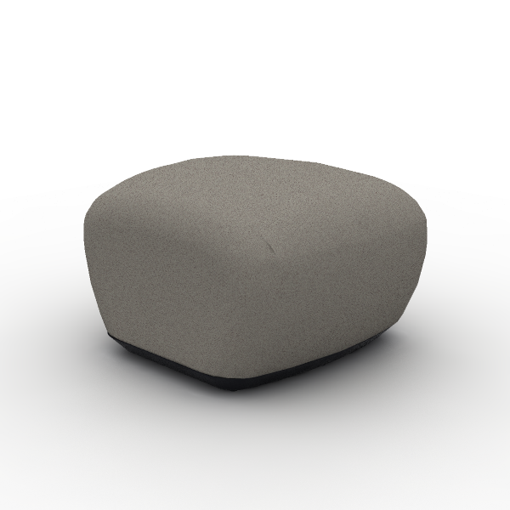 | Material Desctription: 1)Finishing: linen fabric, dry rubbing color fastness grade 3-4, wet rubbing color fastness ≥ grade 3, abrasion resistance ≥ 12,000 times 2)Foam:?molded, density ≥50kg/m3, with built-in welded steel frame 3)Foam:?"Sinomax" high resilience foam, seat density ≥31kg/m3, other parts ≥20kg/m3 4)Sofa Legs: nylon (PA) Sofa Legs, injection molded | 650*710*460 mm | Color: SM-PC11B Coffee | 3 | 0.23 m³ | 0.69 m³ | $235.00 | $117.50 | $352.50
3 | CLG64SW Locke Task Chair | 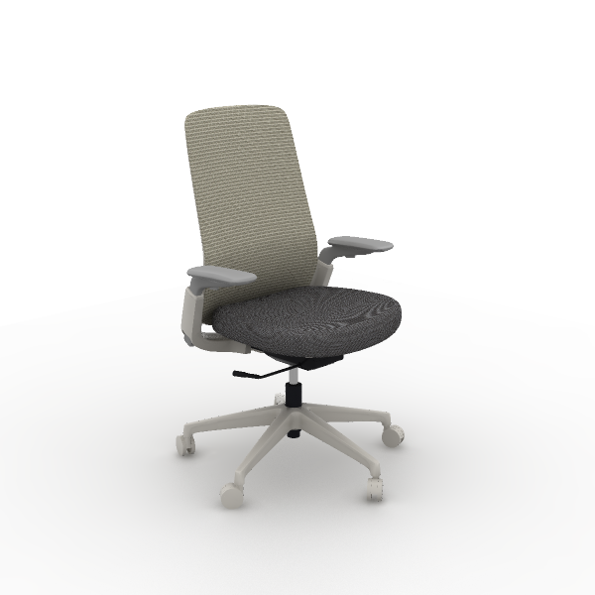 | Material Desctription: 1)Foam: molded, density ≥50kg/m3 2)Finishing: high-quality linen fabric, dry rubbing fastness ≥ 4, abrasion resistance ≥ 12000 cycles 3)Chair Back: nylon integrated back frame 4)Armrests: 4D, PU armrests 5)Chair Bases: Zhongtai mechanism 6)Gas Cylinder: SAMHONGSA class 3 gas cylinder, 82±3mm 7)5-Star Bases: 700mm diameter nylon 5-star base 8)Chair Casters: PU casters | 665*585*1,020 mm | Back & Lumbar Support: CW-AN29H Beige Seat: CW-HD14 Cloudy Gray | 1 | 0.19 m³ | 0.19 m³ | $240.00 | $120.00 | $120.00
4 | SU35.1.MX U-Relax Lounge Chairs | 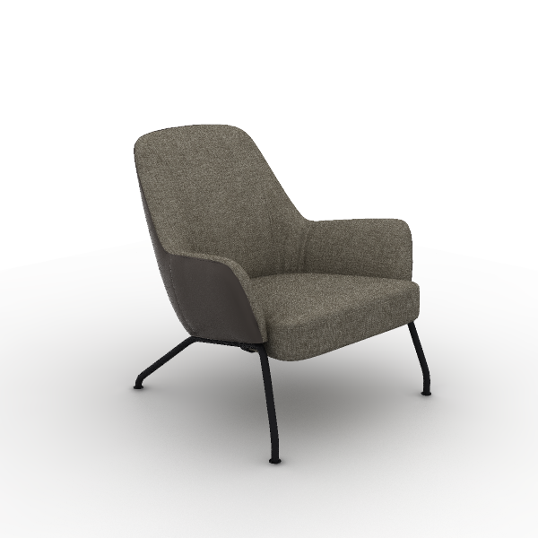 | Material Desctription: 1)Finishing: combination of leather and fabric , seat cushion and backrest use linen velvet fabric, other parts use polyvinyl chloride (PVC) artificial leather, linen velvet fabric dry rubbing color fastness grade 3-4, wet rubbing color fastness ≥ grade 3, abrasion resistance ≥ 12000 cycles 2)Foam:?molded, density ≥50kg/m3, with built-in welded steel frame 3)Foam:?"Sinomax" high resilience foam, seat density ≥31kg/m3, other parts ≥20kg/m3 4)Sofa Legs: steel Sofa Legs, electrostatic powder coating, 22mm solid round steel | 850*780*820 mm | Color: SM-XF33 Coffee Brown Outer Side of the Backrest Color: TG-VA27 Meteor Grey Leg Color: Black | 3 | 0.33 m³ | 0.98 m³ | $446.00 | $223.00 | $669.00
5 | DT189 Round Wire Base Occasional Table | 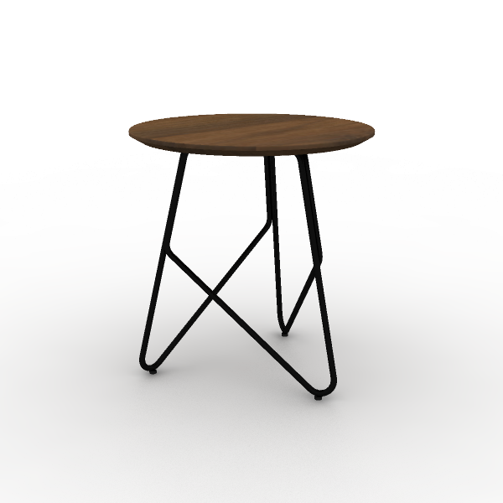 | Material Desctription: 1)Irregular coffee table 2)Tabletop: 18mm, surface uses impregnated melamine paper for excellent stability, superior layering, strong resistance to dirt and wear; E0 grade particle board 3)Edge banding: the tabletop uses PVC edge banding strios, thickness 1mm 4)Support Frame: Q195 steel, electrostatic powder coating, 10mm diameter solid round bar | 400*400*420 mm | Surface Color: S-53 Felix Walnut Base Color: Matte Black | 3 | 0.07 m³ | 0.20 m³ | $46.00 | $23.00 | $69.00
6 | DT205 Rectangle Wire Base Occasional Table | 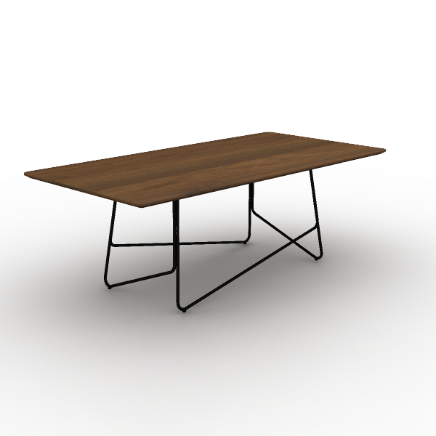 | Material Desctription: 1)Square coffee table 2)Tabletop: 18mm, surface uses impregnated melamine paper for excellent stability, superior layering, strong resistance to dirt and wear; E0 grade particle board 3)Edge banding: the tabletop uses PVC edge banding strios, thickness 1mm 4)Support Frame: Q195 steel, electrostatic powder coating, 10mm diameter solid round bar | 1,200*600*420 mm | Surface Color: S-53 Felix Walnut Base Color: Matte Black | 1 | 0.15 m³ | 0.15 m³ | $97.00 | $48.50 | $48.50
- LUDOTECA |  |  |  |  |  |  |  |  | - LUDOTECA Tot.Price : | $1,725.00
7 | SD34.1.EPU D2 Lounge Seating | 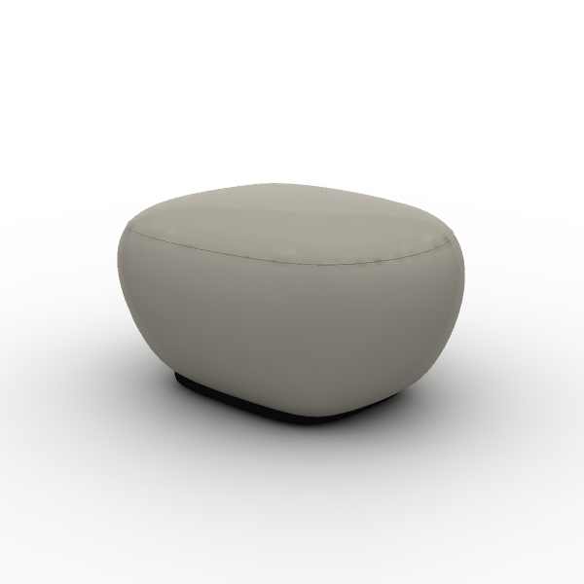 | Ottoman Upholstery: Faux leather Padding: Molded foam | 650*550*430 mm | Color: TPH-EPU14T Light Camel | 1 | 0.18 m³ | 0.18 m³ | $286.00 | $143.00 | $143.00
8 | SD34.2.EPU D2 Lounge Seating | 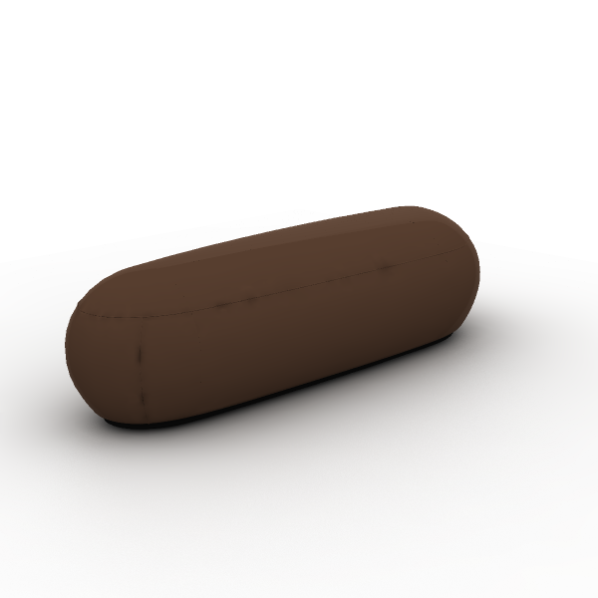 | Padded bench Upholstery: Faux leather Padding: Molded foam | 1,780*620*430 mm | Color: TPH-EPU11T Coffee Brown | 1 | 0.53 m³ | 0.53 m³ | $629.00 | $314.50 | $314.50
9 | SS30.1.YR SAMU Chair | 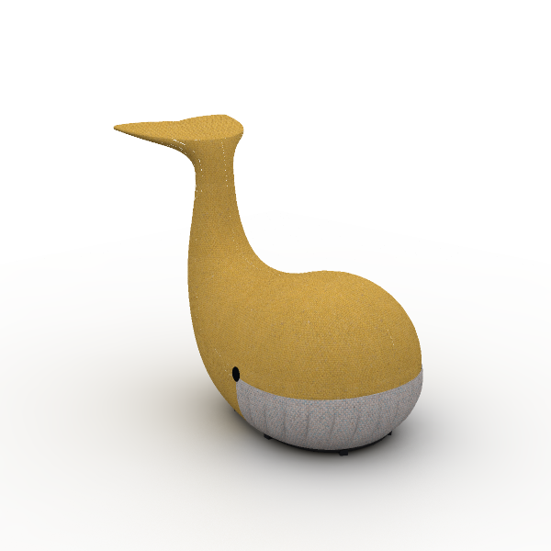 | Material Desctription: 1)Finishing: cashmere fabric, dry rubbing color fastness grade 3-4, wet rubbing color fastness ≥ grade 3, abrasion resistance ≥ 12000 cycles 2)Foam:?molded, density ≥50kg/m3, with built-in welded steel frame 3)Sofa Legs: POM plastic, single-piece injection molded 4)Storage pocket: front storage pocket | 500*850*780 mm | Sofa body fabric: SM-ML50B Yellow Sofa partial fabric: SM-ML21B Grey | 1 | 0.42 m³ | 0.42 m³ | $845.00 | $422.50 | $422.50
10 | SS30.1.YR SAMU Chair | 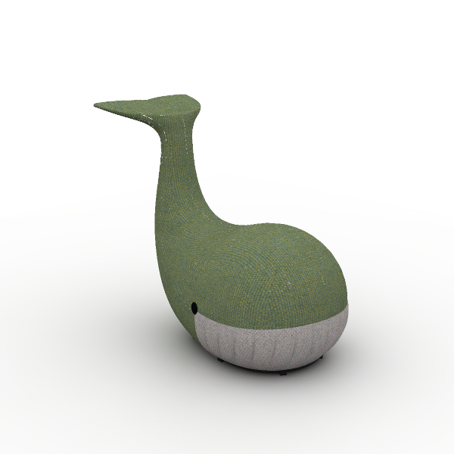 | Material Desctription: 1)Finishing: cashmere fabric, dry rubbing color fastness grade 3-4, wet rubbing color fastness ≥ grade 3, abrasion resistance ≥ 12000 cycles 2)Foam:?molded, density ≥50kg/m3, with built-in welded steel frame 3)Sofa Legs: POM plastic, single-piece injection molded 4)Storage pocket: front storage pocket | 500*850*780 mm | Sofa body fabric: SM-ML60B Green Sofa partial fabric: SM-ML21B Grey | 1 | 0.42 m³ | 0.42 m³ | $845.00 | $422.50 | $422.50
11 | SS30.1.YR SAMU Chair | 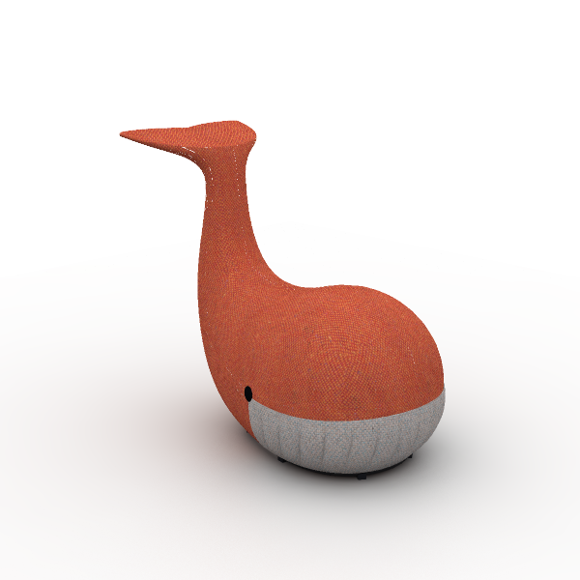 | Material Desctription: 1)Finishing: cashmere fabric, dry rubbing color fastness grade 3-4, wet rubbing color fastness ≥ grade 3, abrasion resistance ≥ 12000 cycles 2)Foam:?molded, density ≥50kg/m3, with built-in welded steel frame 3)Sofa Legs: POM plastic, single-piece injection molded 4)Storage pocket: front storage pocket | 500*850*780 mm | Sofa body fabric: SM-ML40B Orange Sofa partial fabric: SM-ML21B Grey | 1 | 0.42 m³ | 0.42 m³ | $845.00 | $422.50 | $422.50
- OFICINA GERENCIAL |  |  |  |  |  |  |  |  | - OFICINA GERENCIAL Tot.Price : | $3,077.00
12 | CHT86SW H2 Task Chair | 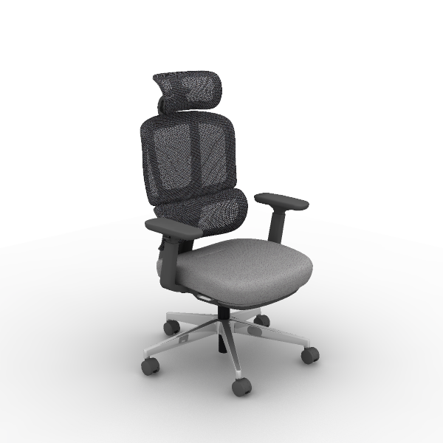 | Material Desctription: 1)Finishing: backrest uses mesh, dry rubbing fastness ≥4, abrasion resistance ≥6000 cycles; seat cushion uses high-quality linen velvet, dry rubbing fastness ≥4, abrasion resistance ≥12000 cycles 2)Chair Back: nylon + 30% fiberglass integrated back frame 3)Seat Cushion: molded foam, density ≥ 55kg/m3, cut foam, density 25kg/m3±1.5, PP seat shell, weight capacity 136kg 4)Armrests: 4D, PU armrests 5)Chair Bases: Zhongtai mechanism 6)Gas Cylinder: SAMHONGSA class 3 gas cylinder, 112±3mm 7)5-Star Bases: 700mm diameter aluminum alloy 5-star base 8)Chair Casters: Silent PU casters 9)Headrest Adjustment: vertical adjustment 53mm, upper end rotation 135°, lower end rotation 110° 10)Chair Back Adjustment: lower back forward/backward adjustment by 56mm, with 10-level continuous adjustment locking 11)4D Armrests: armrests adjustable vertically by 83mm, rotatable left and right by 30°, forward and sliding backward by 40mm, width adjustable by 15mm 12)Footrest: dual steel pipe telescopic structure, travel distance 500mm, filled with molded foam on footrest surface 13)Chair Base Adjustment: Line-controlled STG backrest synchronous tilt, four-position lock, wide angle, automatic counterweight mechanism does not require adjustment of tilt force | 705*680*1,165 mm | Chair back color: CW-AP27D Gray Seat color: SM-PC21B Grey | 1 | 0.19 m³ | 0.19 m³ | $446.00 | $223.00 | $223.00
13 | CHT99SW H2 Task Chair | 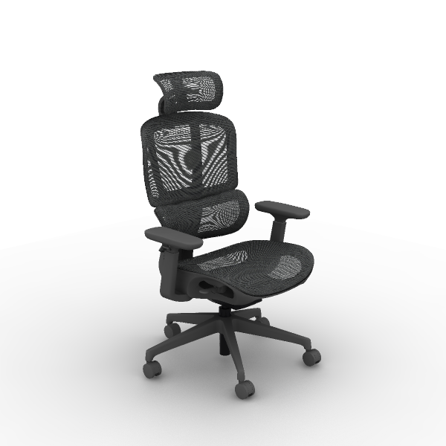 | Material Desctription: 1)Finishing: high-quality mesh, dry rubbing fastness ≥ 4, abrasion resistance ≥ 6000 cycles 2)Chair Back: nylon + 30% fiberglass integrated back frame 3)Armrests: 4D, PU armrests 4)Chair Bases: Zhongtai mechanism 5)Gas Cylinder: SAMHONGSA Class 3 gas lift cylinder, travel 75 ±3mm 6)5-Star Bases: 700mm diameter nylon 5-star base 7)Chair Casters: Silent PU casters 8)Headrest Adjustment: vertical adjustment 53mm, upper end rotation 135°, lower end rotation 110° 9)Chair Back Adjustment: lower back forward/backward adjustment by 52mm, with 9-level locking function 10)4D Armrests: armrests adjustable vertically by 83mm, rotatable left and right by 30°, forward and sliding backward by 40mm, width adjustable by 15mm 11)Chair Base Adjustment: Line-controlled STG backrest synchronous tilt, four-position lock, automatic counterweight mechanism does not require adjustment of tilt force, seat cushion can slide forward and backward | 700*655*1,135 mm | Back Color: CW-HY21B Grey Seat Color: CW-HP21 Grey | 1 | 0.20 m³ | 0.20 m³ | $400.00 | $200.00 | $200.00
14 | CMJ14GH MJ Multipurpose | 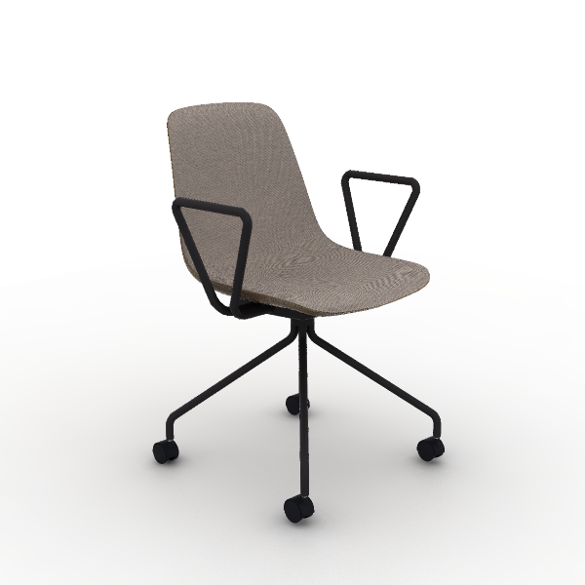 | Material Desctription: 1)Fabric Combination: Inner seat with premium linen, dry rub fastness ≥4, abrasion resistance ≥6,000 times; outer back with PVC leather, fold endurance ≥30,000 times, no cracks 2)Chair Body: Cut cotton, density 25kg/m3 ±1.5, E1 grade bentwood seat, supports 102kg 3)Chair Frame: steel frame, 19mm round tube, 1.8mm thickness, includes a 14mm diameter, 463mm long reinforced round steel, powder-coated 4)Chair Casters: PA casters | 580*560*825 mm | Seat: TM-CI29B Beige Back: TP-PV11H Coffee brown Base: Refined Ink Black | 2 |  | 0.00 m³ | $128.00 | $64.00 | $128.00
15 | SU35.1.MX U-Relax Lounge Chairs | 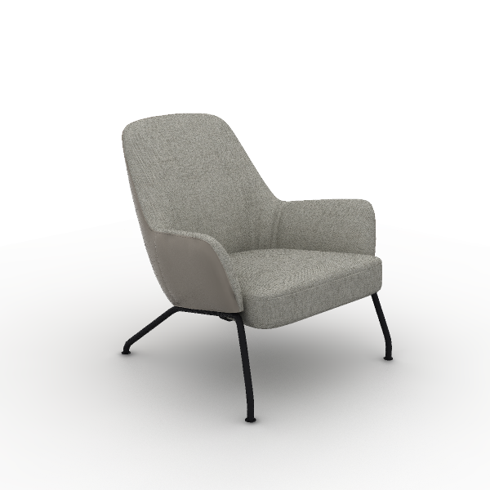 | Material Desctription: 1)Finishing: combination of leather and fabric , seat cushion and backrest use linen velvet fabric, other parts use polyvinyl chloride (PVC) artificial leather, linen velvet fabric dry rubbing color fastness grade 3-4, wet rubbing color fastness ≥ grade 3, abrasion resistance ≥ 12000 cycles 2)Foam:?molded, density ≥50kg/m3, with built-in welded steel frame 3)Foam:?"Sinomax" high resilience foam, seat density ≥31kg/m3, other parts ≥20kg/m3 4)Sofa Legs: steel Sofa Legs, electrostatic powder coating, 22mm solid round steel | 850*780*820 mm | Color: SM-XF11 Moon Shadow Grey Outer Side of the Backrest Color: TG-VA02 Light Camel Leg Color: Black | 2 | 0.33 m³ | 0.65 m³ | $446.00 | $223.00 | $446.00
16 | DV88L-2 I-Varna II Private Offices Desk | 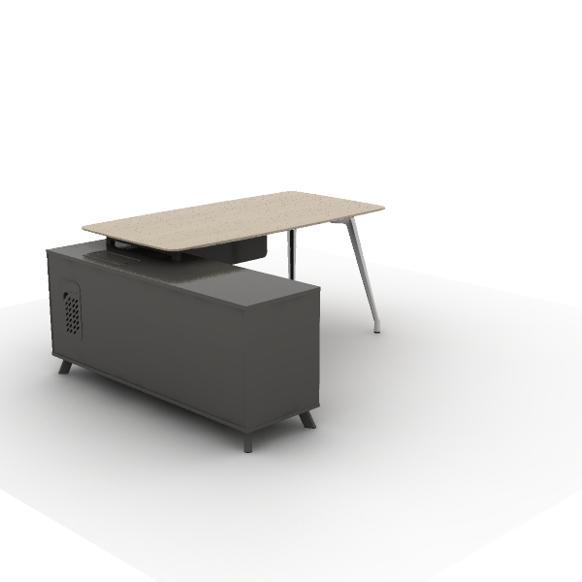 | Material Desctription: 1)Straight manager desk with cabinet, a side cabinet on one side, steel legs on the other 2)Tabletop: 25mm, surface uses impregnated melamine paper for excellent stability, superior layering, strong resistance to dirt and wear; E0 grade particle board 3)Cabinet: the main body surface covered with impregnated melamine paper. E0 grade particleboard 4)Edge banding: the tabletop uses laser ABS edge banding strips, thickness 2.5mm; the cabinet body uses PVC edge banding strips, thickness 1mm 5)Table Legs: 45-degree aluminum alloy die-casting angled legs, with polished or electrostatic powder coating surface 6)Slide Rail: high-quality slide rail 7)Lock: mechanical combination locks 8)Cable management: bottom entry, top exit for side cabinet | 1,800*1,540*750 mm | Main Color: S-77 White oak Accent color: S-59 Meteor Grey Steel Leg Color: Aluminum Alloy Polishing | 2 | 0.63 m³ | 1.26 m³ | $863.00 | $431.50 | $863.00
17 | DT189 Round Wire Base Occasional Table | 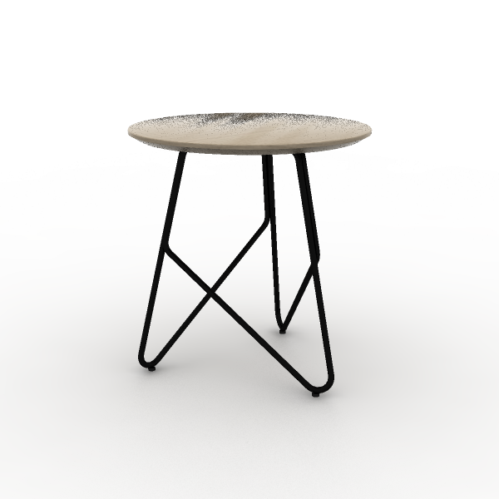 | Material Desctription: 1)Irregular coffee table 2)Tabletop: 18mm, surface uses impregnated melamine paper for excellent stability, superior layering, strong resistance to dirt and wear; E0 grade particle board 3)Edge banding: the tabletop uses PVC edge banding strios, thickness 1mm 4)Support Frame: Q195 steel, electrostatic powder coating, 10mm diameter solid round bar | 400*400*420 mm | Surface Color: S-77 White oak Base Color: Matte Black | 1 | 0.07 m³ | 0.07 m³ | $46.00 | $23.00 | $23.00
18 | DG65-2 Storage Cabinets | 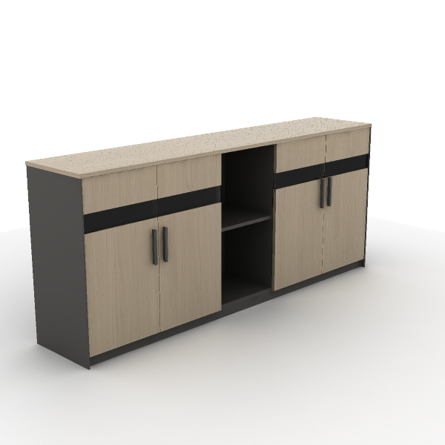 | Material Desctription: 1)Four-door file cabinet with glass doors and open cabinet 2)Cabinet: the main body surface covered with impregnated melamine paper. E0 grade particleboard 3)Door Panel: glass panel door with embedded glass, made of E0 grade particle board, 5mm tempered glass 4)Edge Banding: the cabinet uses PVC edge banding strips, thickness 1mm 5)Hinges: damping buffer hinge 6)Handles: ABS | 2,000*400*858 mm | Main Color: S-77 White oak Secondary color: S-59 Meteor Grey | 2 | 0.23 m³ | 0.45 m³ | $272.00 | $136.00 | $272.00
19 | DV98L-2 File cabinet | 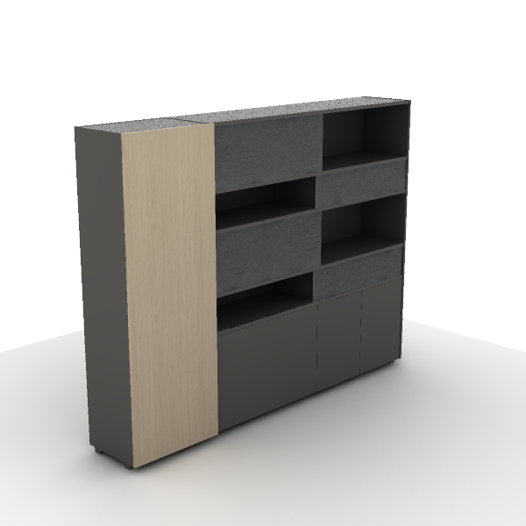 | Material Desctription: 1)8-Grid Sliding Door File Cabinet with Wardrobe and Four-Door Cabinet 2)Cabinet: the main body surface covered with impregnated melamine paper. E0 grade particleboard 3)Edge Banding: the cabinet uses PVC edge banding strips, thickness 1mm 4)Hinges: damping buffer hinge | 2,360*420*1,840 mm | Main Color: S-77 White oak AS033: S-59 Meteor Grey | 2 | 0.41 m³ | 0.82 m³ | $922.00 | $461.00 | $922.00
- SALA DE FIRMAS JUNTA |  |  |  |  |  |  |  |  | - SALA DE FIRMAS JUNTA Tot.Price : | $1,312.00
20 | CAL61KP Aulenti Staff Task Chair | 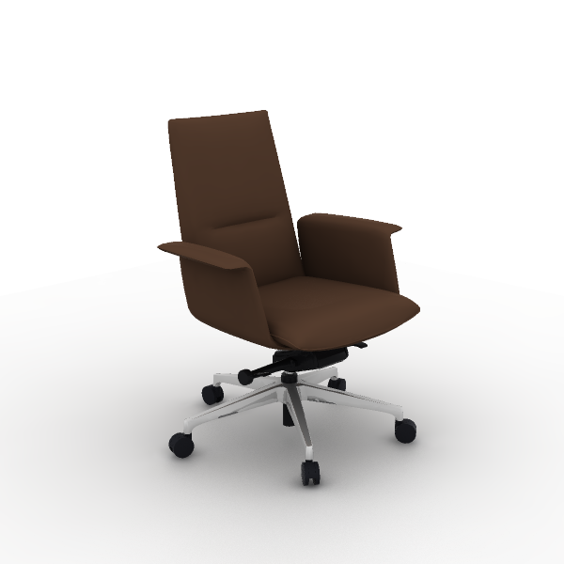 | Material Desctription: 1)Leather: EPU leather, dry rubbing fastness ≥ 4, flex resistance 30000 cycles without surface cracks 2)Chair Body: cut foam, density 26kg/m3±1.5, E1 grade bentwood board, weight capacity 102kg 3)Armrests: fixed, padded armrests 4)Chair Bases: High-quality mechanism 5)5-Star Bases: 700mm diameter aluminum alloy 5-star base 6)Gas Cylinder: SAMHONGSA class 3 gas cylinder, 82±3mm 7)Chair Casters: PA casters 8)Chair Base Adjustment: KTG forward tilt, four-position lock, knob adjustable tilt tension | 764*654*970 mm | Main Color: TPH-EPU11 Coffee Brown | 8 | 0.35 m³ | 2.80 m³ | $328.00 | $164.00 | $1,312.00
- TERRAZA |  |  |  |  |  |  |  |  | - TERRAZA Tot.Price : | $0.00
21 | Upholstered lounge chair and oak wooden back and sides and 4-legs steel legs finished in white or black with polished chrome finish option. Additional options include: fixed auxiliary table or satellite finished in oak, walnut or Compacto HPL, USB chargin | 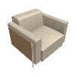 |  |  |  | 0 |  | 0.00 m³ | $5,695.00 | $5,695.00 | $0.00
22 | 2 seater sofa. Oak veneer. | 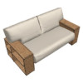 |  |  |  | 0 |  | 0.00 m³ | $11,891.00 | $11,891.00 | $0.00
- VIDEO JUEGOS |  |  |  |  |  |  |  |  | - VIDEO JUEGOS Tot.Price : | $863.00
23 | CCS11BW Chessy Stool | 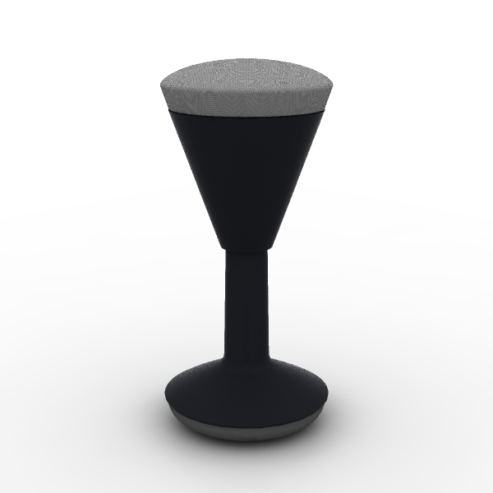 | Material Desctription: 1)Finishing: knitted fabric, dry rubbing fastness ≥4, abrasion resistance ≥12,000 cycles 2)Seat Cushion: molded foam, density ≥ 55kg/m3, PP seat shell, weight capacity 136kg 3)Gas Cylinder: SAMHONGSA class 3 gas cylinder, 240±3mm | 345*345*510 mm | Seat: CW-YY21H Gray | 1 | 0.07 m³ | 0.07 m³ | $198.00 | $99.00 | $99.00
24 | ST32.NA.MR D1 Lounge Modular Seating | 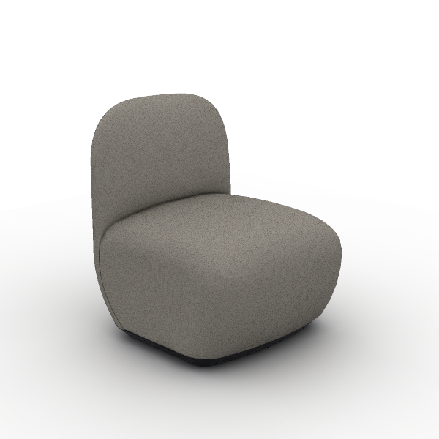 | Material Desctription: 1)Finishing: linen fabric, dry rubbing color fastness grade 3-4, wet rubbing color fastness ≥ grade 3, abrasion resistance ≥ 12,000 times 2)Foam:?molded, density ≥50kg/m3, with built-in welded steel frame 3)Foam:?"Sinomax" high resilience foam, seat density ≥31kg/m3, other parts ≥20kg/m3 4)Sofa Legs: nylon (PA) Sofa Legs, injection molded | 650*690*800 mm | Color: SM-PC11B Coffee | 2 | 0.31 m³ | 0.62 m³ | $394.00 | $197.00 | $394.00
25 | DM26 Modit Podium | 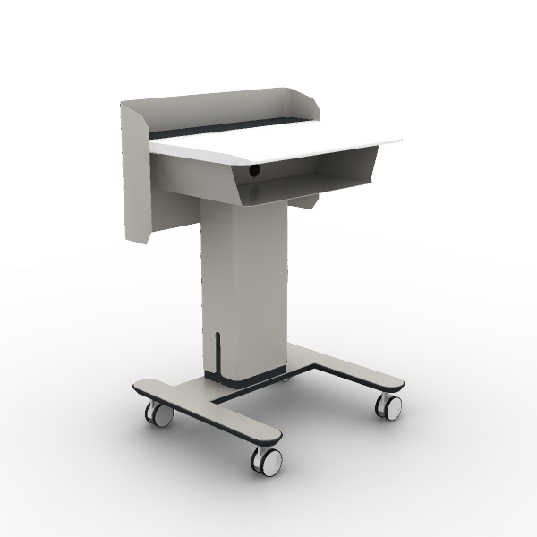 | Material Desctription: 1)Height-adjustable podium 2)Podium Support: Q195 steel, 2.0mm thicknesses 3)Podium Outside Panel: Q195 steel, 1.5mm thicknesses 4)Podium Steel Foot: Q195 steel, 1.8mm thicknesses 5)Casters: threaded stem wheels, PU | 633*556*915 mm |  | 1 | 0.12 m³ | 0.12 m³ | $740.00 | $370.00 | $370.00
- SALON DE MULTIUSOS |  |  |  |  |  |  |  |  | - SALON DE MULTIUSOS Tot.Price : | $1,324.00
26 | MESA DE ENTRENAMIENTO | 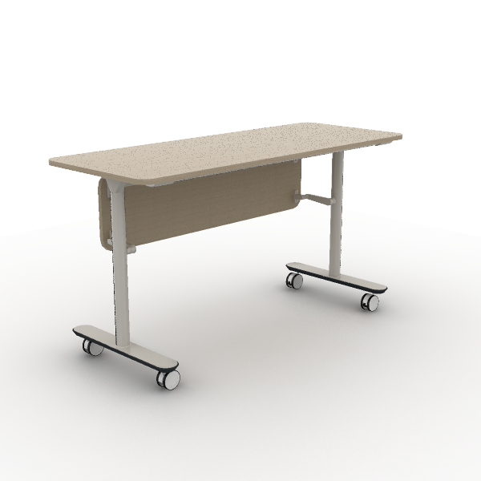 | 1. Description: Straight tabletop training table 2. Material: The tabletop is 18mm thick, made of E0 grade melamine veneer, with formaldehyde emission ≤0.05mg/m3; 3. Tabletop: 2.0mm thick PVC edge banding is used around the tabletop; 4. Feet: I-shaped feet; 5. Feet surface treatment: The surface of the steel frame is electrostatically powder-coated, with a paint film thickness of 60μm-130μm; 6. Mobile function: The feet are equipped with universal wheels, which can be moved freely, and all 4 wheels have locking functions; 7. Flip function: The tabletop has a flip angle of 0°~90°; |  |  | 6 | 0.13 m³ | 0.76 m³ | $293.00 | $146.50 | $879.00
27 | CMJ10GM MJ Multipurpose | 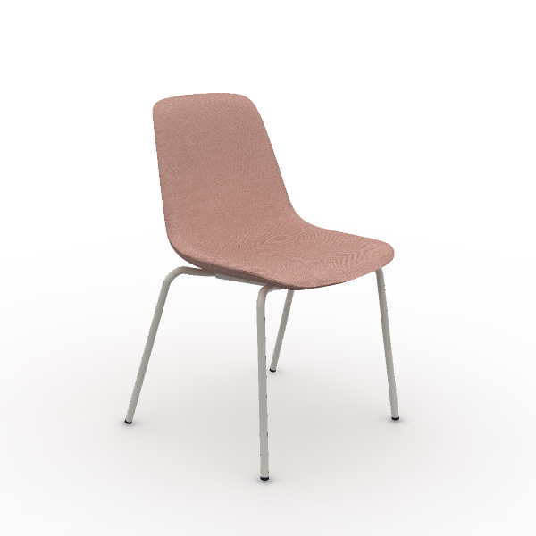 | Material Desctription: 1)Finishing: high-quality linen velvet, dry rubbing fastness ≥4, abrasion resistance ≥6000 cycles 2)Chair Body: cut foam, density 25kg/m3±1.5, E1 grade bentwood board, weight capacity 136kg 3)Chair Frame: steel frame, 19mm round tube, 1.8mm thickness, electrostatic powder coating surface 4)Leg nails: PP fixed nails | 565*560*825 mm | Back: TM-CI35B Light Pink Seat: TM-CI35B Light Pink Base: Warm White | 2 |  | 0.00 m³ | $74.00 | $37.00 | $74.00
28 | CMJ10GM MJ Multipurpose |  | Material Desctription: 1)Finishing: high-quality linen velvet, dry rubbing fastness ≥4, abrasion resistance ≥6000 cycles 2)Chair Body: cut foam, density 25kg/m3±1.5, E1 grade bentwood board, weight capacity 136kg 3)Chair Frame: steel frame, 19mm round tube, 1.8mm thickness, electrostatic powder coating surface 4)Leg nails: PP fixed nails | 565*560*825 mm | Back: TM-CI50B Ginger Seat: TM-CI50B Ginger Base: Ginger | 2 |  | 0.00 m³ | $74.00 | $37.00 | $74.00
29 | CMJ10GM MJ Multipurpose | 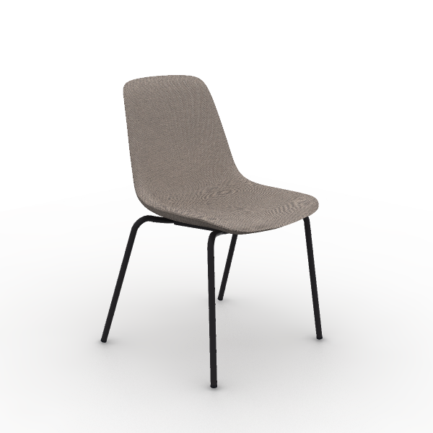 | Material Desctription: 1)Finishing: high-quality linen velvet, dry rubbing fastness ≥4, abrasion resistance ≥6000 cycles 2)Chair Body: cut foam, density 25kg/m3±1.5, E1 grade bentwood board, weight capacity 136kg 3)Chair Frame: steel frame, 19mm round tube, 1.8mm thickness, electrostatic powder coating surface 4)Leg nails: PP fixed nails | 565*560*825 mm | Back: TM-CI29B Beige Seat: TM-CI29B Beige Base: Refined Ink Black | 2 |  | 0.00 m³ | $74.00 | $37.00 | $74.00
30 | CMJ10GM MJ Multipurpose | 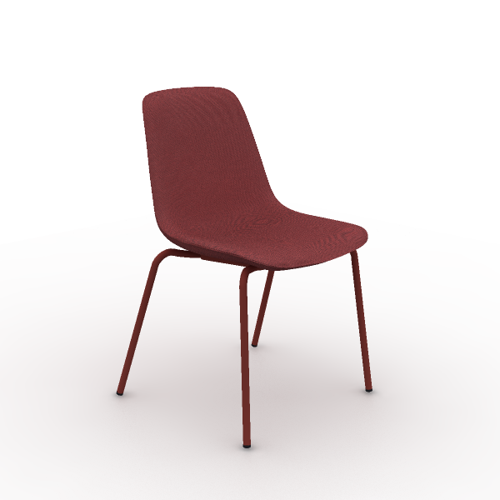 | Material Desctription: 1)Finishing: high-quality linen velvet, dry rubbing fastness ≥4, abrasion resistance ≥6000 cycles 2)Chair Body: cut foam, density 25kg/m3±1.5, E1 grade bentwood board, weight capacity 136kg 3)Chair Frame: steel frame, 19mm round tube, 1.8mm thickness, electrostatic powder coating surface 4)Leg nails: PP fixed nails | 565*560*825 mm | Back: TM-CI30B Red Seat: TM-CI30B Red Base: Marsala red | 2 |  | 0.00 m³ | $74.00 | $37.00 | $74.00
31 | CMJ10GM MJ Multipurpose |  | Material Desctription: 1)Finishing: high-quality linen velvet, dry rubbing fastness ≥4, abrasion resistance ≥6000 cycles 2)Chair Body: cut foam, density 25kg/m3±1.5, E1 grade bentwood board, weight capacity 136kg 3)Chair Frame: steel frame, 19mm round tube, 1.8mm thickness, electrostatic powder coating surface 4)Leg nails: PP fixed nails | 565*560*825 mm | Back: TM-CI42B Coral Seat: TM-CI42B Coral Base: Marsala red | 2 |  | 0.00 m³ | $74.00 | $37.00 | $74.00
32 | CMJ10GM MJ Multipurpose | 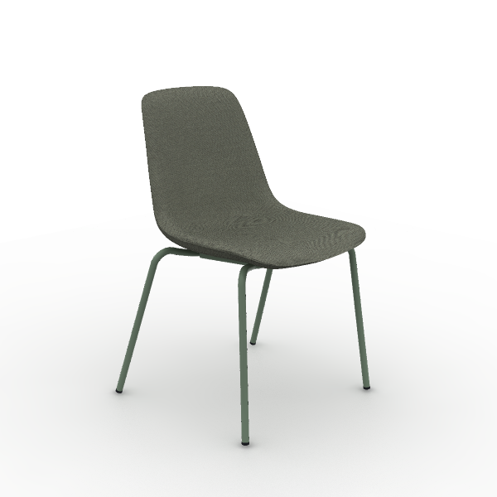 | Material Desctription: 1)Finishing: high-quality linen velvet, dry rubbing fastness ≥4, abrasion resistance ≥6000 cycles 2)Chair Body: cut foam, density 25kg/m3±1.5, E1 grade bentwood board, weight capacity 136kg 3)Chair Frame: steel frame, 19mm round tube, 1.8mm thickness, electrostatic powder coating surface 4)Leg nails: PP fixed nails | 565*560*825 mm | Back: TM-CI62B Army Green Seat: TM-CI62B Army Green Base: Morandi Green | 2 |  | 0.00 m³ | $74.00 | $37.00 | $74.00
33 | DMPJ01-ZY Mdecor Straight Table Splicing Piece | 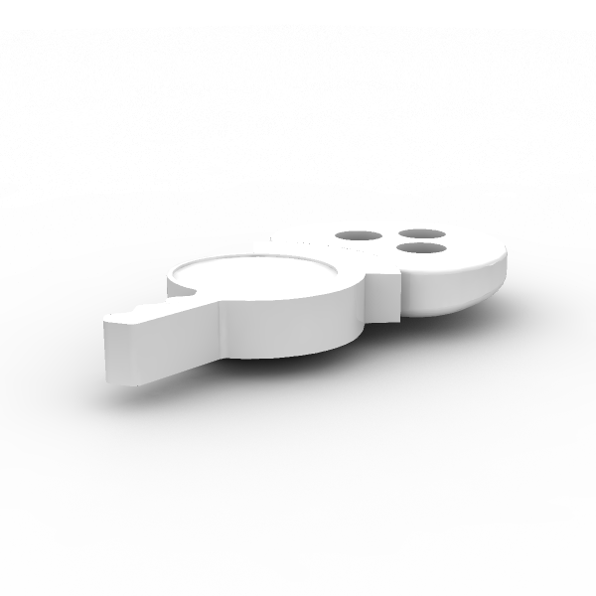 | Material Desctription: 1)Rotary Shaft: PC material, resistant to thermal cycling, no cracks, blisters, discoloration, or wrinkles 2)Handles: PC material, resistant to thermal cycling, no cracks, blisters, discoloration, or wrinkles 3)Base: spliced base made of ABS, resistant to thermal cycling, no cracks, blisters, discoloration, or wrinkles | 99*50*11 mm |  | 1 | 0.00 m³ | 0.00 m³ | $2.00 | $1.00 | $1.00
- DEPTO MUESTRA SALA |  |  |  |  |  |  |  |  | - DEPTO MUESTRA SALA Tot.Price : | $6,890.00
34 | SF31.1.MR.S Flower 0 Lounge Chair | 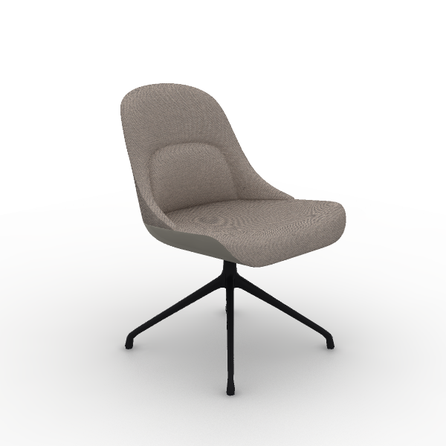 | Material Desctription: 1)Finishing: leather and fabric combination, main areas use linen velvet fabric, bottom part uses ecological polyurethane (EPU) synthetic leather, linen velvet fabric dry rubbing color fastness grade 3-4, wet rubbing color fastness ≥ grade 3, abrasion resistance ≥ 12000 cycles 2)Foam:?molded, density ≥50kg/m3, with built-in welded steel frame 3)Sofa Legs: aluminum alloy Sofa Legs, electrostatic powder coating | 550*620*820 mm | Color: TM-CI29B Beige Seat Bottom Color: TPH-EPU14 Light camel Steel Support Color: Matte white | 18 | 0.17 m³ | 3.13 m³ | $365.00 | $182.50 | $3,285.00
35 | SU35.1.MX U-Relax Lounge Chairs |  | Material Desctription: 1)Finishing: combination of leather and fabric , seat cushion and backrest use linen velvet fabric, other parts use polyvinyl chloride (PVC) artificial leather, linen velvet fabric dry rubbing color fastness grade 3-4, wet rubbing color fastness ≥ grade 3, abrasion resistance ≥ 12000 cycles 2)Foam:?molded, density ≥50kg/m3, with built-in welded steel frame 3)Foam:?"Sinomax" high resilience foam, seat density ≥31kg/m3, other parts ≥20kg/m3 4)Sofa Legs: steel Sofa Legs, electrostatic powder coating, 22mm solid round steel | 850*780*820 mm | Color: SM-XF11 Moon Shadow Grey Outer Side of the Backrest Color: TG-VA02 Light Camel Leg Color: Black | 5 | 0.33 m³ | 1.63 m³ | $446.00 | $223.00 | $1,115.00
36 | EN70-2 Varna Occasional Table | 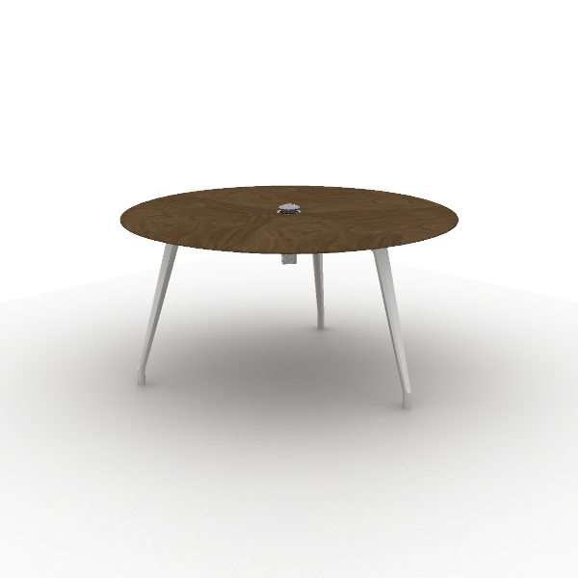 | Material Desctription: 1)Square negotiation table with round aluminum base 2)Tabletop: 26mm, E0 grade particle board 3)Veneer:natural wood veneer ≥0.4mm on wood grain parts 4)Table Legs: 45° angled aluminum alloy beveled legs, polished surface 5)Cable management: tabletop wiring hole for cables | 1,500*1,500*750 mm | Main Color: W-33B White Oak Steel Leg Color: Polishing Cable Box Matched: Global | 3 | 0.23 m³ | 0.70 m³ | $1,346.00 | $673.00 | $2,019.00
37 | T197 Moji Round Wood Occasional Table | 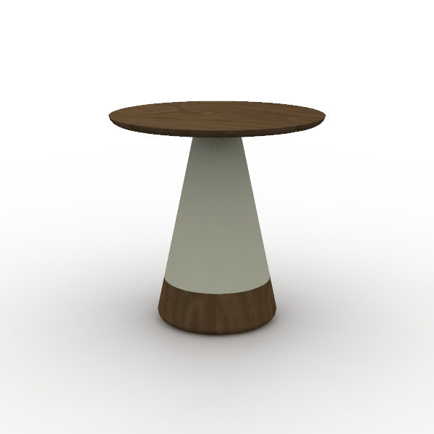 | Material Desctription: 1)Oval coffee table with round single leg 2)Tabletop: 19mm, E0 grade MDF 3)Veneer:natural wood veneer ≥0.4mm on wood grain parts 4)Paint: uses water-based environmentally friendly paint | 500*500*500 mm | Surface Color: W-23B White Oak Surface Color: E-09 Mocha | 2 | 0.11 m³ | 0.22 m³ | $314.00 | $157.00 | $314.00
38 | T197 Moji Round Wood Occasional Table |  | Material Desctription: 1)Oval coffee table with round single leg 2)Tabletop: 19mm, E0 grade MDF 3)Veneer:natural wood veneer ≥0.4mm on wood grain parts 4)Paint: uses water-based environmentally friendly paint | 500*500*500 mm | Surface Color: W-33B White Oak Surface Color: E-09 Mocha | 1 | 0.11 m³ | 0.11 m³ | $314.00 | $157.00 | $157.00
- COMEDOR |  |  |  |  |  |  |  |  | - COMEDOR Tot.Price : | $1,109.50
39 | SH31.1.EPU.L Flower 6 Lounge Modular Seating | 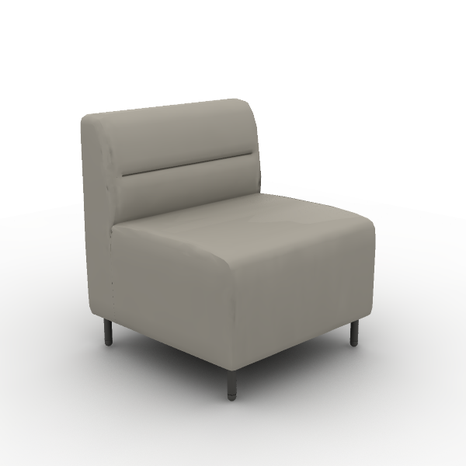 | Material Desctription: 1)Leather: the entire sofa uses ecological polyurethane (EPU) synthetic leather, dry rubbing color fastness ≥ grade 4, wet rubbing color fastness ≥ grade 3, abrasion resistance (H-18, 500g, 200r) with no surface breakage 2)Foam:?"Sinomax" high resilience foam, seat density ≥31kg/m3, other parts ≥20kg/m3 3)Sofa Legs: steel Sofa Legs, electrostatic powder coating, 2.0mm hollow round tube | 650*650*740 mm | Color: TPH-EPU14 Light camel | 1 | 0.23 m³ | 0.23 m³ | $345.00 | $172.50 | $172.50
40 | SH31.2.EPU.L Flower 6 Lounge Modular Seating | 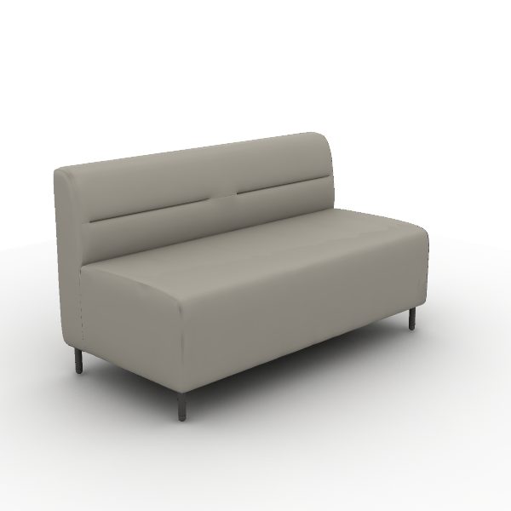 | Material Desctription: 1)Leather: the entire sofa uses ecological polyurethane (EPU) synthetic leather, dry rubbing color fastness ≥ grade 4, wet rubbing color fastness ≥ grade 3, abrasion resistance (H-18, 500g, 200r) with no surface breakage 2)Foam:?"Sinomax" high resilience foam, seat density ≥31kg/m3, other parts ≥20kg/m3 3)Sofa Legs: steel Sofa Legs, electrostatic powder coating, 2.0mm hollow round tube | 1,300*650*740 mm | Color: TPH-EPU14 Light camel | 2 | 0.61 m³ | 1.22 m³ | $478.00 | $239.00 | $478.00
41 | CMJ10GM MJ Multipurpose | 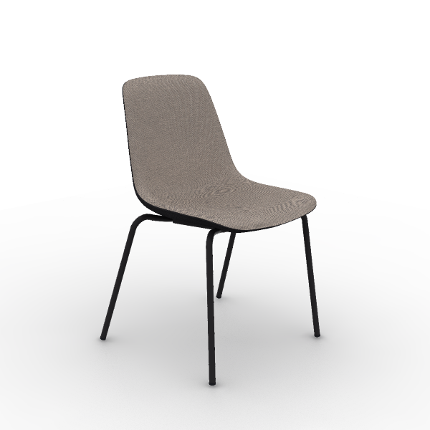 | Material Desctription: 1)Finishing: high-quality linen velvet, dry rubbing fastness ≥4, abrasion resistance ≥6000 cycles 2)Chair Body: cut foam, density 25kg/m3±1.5, E1 grade bentwood board, weight capacity 136kg 3)Chair Frame: steel frame, 19mm round tube, 1.8mm thickness, electrostatic powder coating surface 4)Leg nails: PP fixed nails | 565*560*825 mm | Back: TM-CI10B Black Seat: TM-CI29B Beige Base: Refined Ink Black | 3 |  | 0.00 m³ | $74.00 | $37.00 | $111.00
42 | DT219 Square Soft Corner Cafe Table | 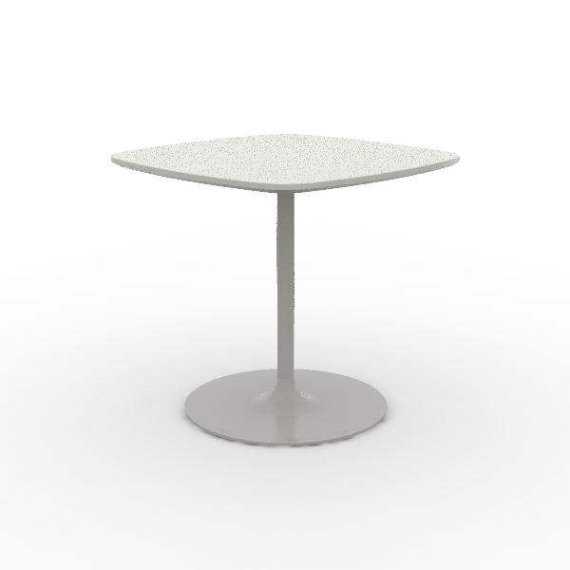 | Material Desctription: 1)Square coffee table 2)Tabletop: 25mm, surface uses impregnated melamine paper for excellent stability, superior layering, strong resistance to dirt and wear; E0 grade particle board 3)Edge banding: the tabletop uses PVC edge banding strips, thickness 2.5mm 4)Support Frame: round tube made of Q195 steel, disc made of SPHC, electrostatic powder coating | 800*800*750 mm | Surface Color: S-57 Warm White Base Color: Matte white | 3 | 0.09 m³ | 0.28 m³ | $232.00 | $116.00 | $348.00
- OFICINA ADMON |  |  |  |  |  |  |  |  | - OFICINA ADMON Tot.Price : | $5,496.00
43 | archivero metalico con sillon | 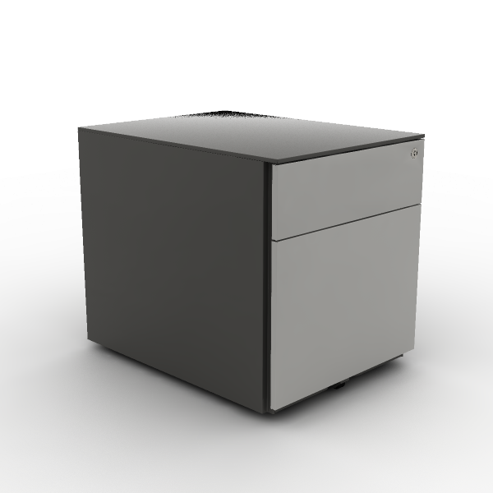 | Material Desctription: 1)Cabinet: surface electrostatic powder coating, thickness≥0.8mm. 2)Slide Rail: "Hettich" high quality slide rail 3)Lock: ordinary front lock 4)Pen Box: ABS 5)Casters: POM |  |  | 6 | 0.37 m³ | 2.24 m³ | $121.00 | $60.50 | $363.00
44 | estacion UP1 | 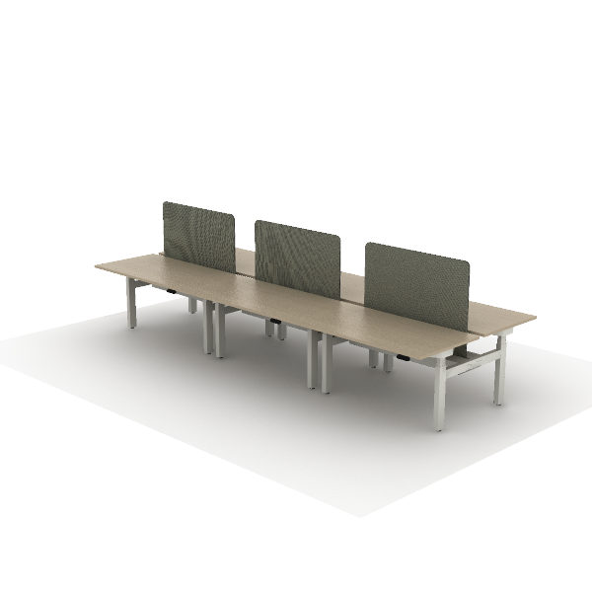 | Material Desctription: 1)Tabletop: 25mm, surface uses impregnated melamine paper for excellent stability, superior layering, strong resistance to dirt and wear; E0 grade particle board 2)Edge banding: the tabletop uses PVC edge banding strips, thickness 2.5mm 3)Cable Management Spine: PP 4)Desk Screen: upholstered, 18mm, surface material uses high-quality linen fabric 5)Three-section height-adjustable face-to-face desk |  |  | 1 | 1.02 m³ | 1.02 m³ | $4,485.00 | $2,242.50 | $2,242.50
45 | ESTACION DE 4 DE 1200CM | 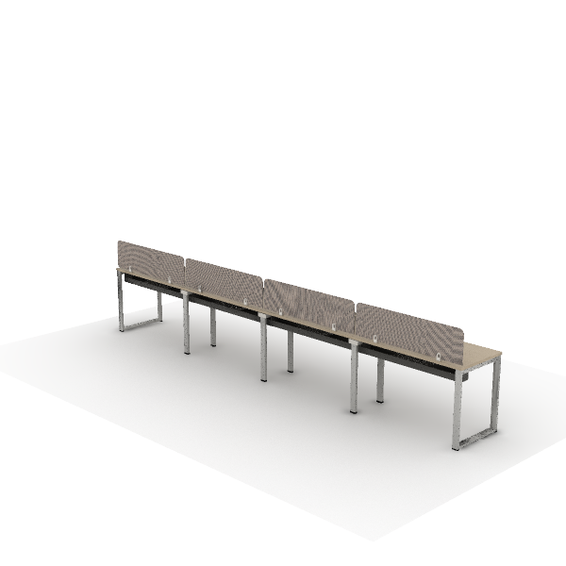 | Material Desctription: 1)Straight employee desk, steel legs on both sides 2)Tabletop: 25mm, surface uses impregnated melamine paper for excellent stability, superior layering, strong resistance to dirt and wear; E0 grade particle board 3)Edge banding: the tabletop uses PVC edge banding strips, thickness 2.5mm 4)Middle Steel Legs: high-quality cold-rolled steel, 1.5~2.0mm, surface electrostatic powder coating. 5)Beam: high-quality cold-rolled steel, with an electrostatic powder coating on the surface, 1.5mm thickness |  |  | 1 | 1.14 m³ | 1.14 m³ | $901.00 | $450.50 | $450.50
46 | DMA28-2 Wall-Mounted Overhead Storage | 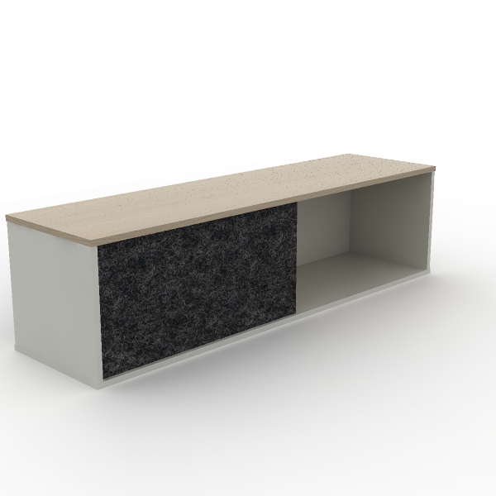 | Material Desctription: 1)Wall cabinet with sliding door 2)Cabinet: the main body surface covered with impregnated melamine paper. E0 grade particleboard 3)Edge Banding: the cabinet uses PVC edge banding strips, thickness 1mm 4)Sliding Door: polyester fiber, formaldehyde-free | 1,500*400*400 mm | Primary Color: S-66 Eucalyptus Accent Color: S-57 Warm White | 3 | 0.06 m³ | 0.17 m³ | $142.00 | $71.00 | $213.00
47 | CHT67SW H2 Task Chair | 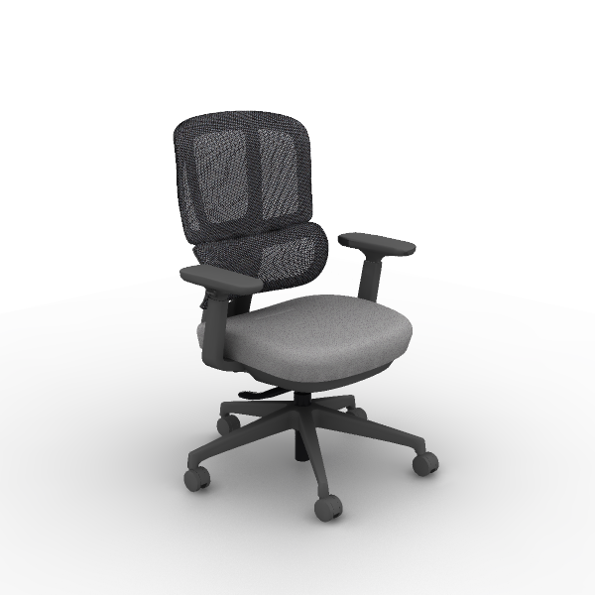 | Material Desctription: 1)Finishing: backrest uses mesh, dry rubbing fastness ≥4, abrasion resistance ≥6000 cycles; seat cushion uses high-quality linen velvet, dry rubbing fastness ≥4, abrasion resistance ≥12000 cycles 2)Chair Back: nylon + 30% fiberglass integrated back frame 3)Seat Cushion: molded foam, density ≥ 55kg/m3, cut foam, density 25kg/m3±1.5, PP seat shell, weight capacity 136kg 4)Armrests: 4D, PU armrests 5)Chair Bases: Zhongtai mechanism 6)Gas Cylinder: SAMHONGSA class 3 gas cylinder, 102±2mm 7)5-Star Bases: 700mm diameter nylon 5-star base 8)Chair Casters: Silent PU casters 9)Chair Back Adjustment: lower back forward/backward adjustment by 56mm, with 10-level continuous adjustment locking 10)4D Armrests: armrests adjustable vertically by 83mm, rotatable left and right by 30°, forward and sliding backward by 40mm, width adjustable by 15mm 11)Chair Base Adjustment: STG backrest synchronous tilt, four-position lock, automatic counterweight mechanism does not require adjustment of tilt force, seat cushion can slide forward and backward | 705*630*1,000 mm | Chair back color: CW-AP27D Gray Seat color: SM-PC21B Grey | 10 | 0.19 m³ | 1.90 m³ | $323.00 | $161.50 | $1,615.00
48 | DG83-2 lateral file storage | 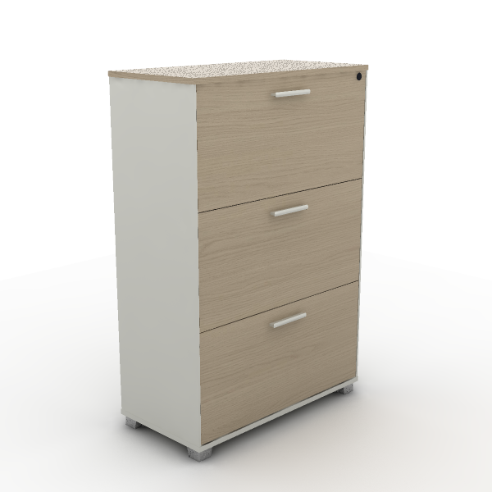 | Material Desctription: 1)Fixed three-drawer cabinet 2)Cabinet: the main body surface covered with impregnated melamine paper. E0 grade particleboard 3)Edge Banding: the cabinet uses PVC edge banding strips, thickness 1mm 4)Cabinet Legs: ABS material 5)Slide Rail: high-quality slide rail 6)Lock: ordinary front lock 7)Handles: ABS | 800*400*1,202 mm | Main Color: S-77 White oak Secondary color: S-57 Warm White | 3 | 0.45 m³ | 1.35 m³ | $260.00 | $130.00 | $390.00
49 | DCP25 Mobile Storage Cabinet | 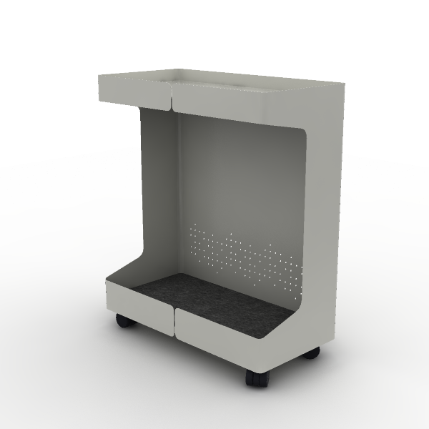 | Material Desctription: 1)Cabinet: 1mm SPCC cold-rolled steel, electrostatic powder coating 2)Padding Board: 3mm polyester fiberboard 3)Casters: threaded stem wheels, nylon | 240*570*480 mm |  | 4 |  | 0.00 m³ | $111.00 | $55.50 | $222.00
- OFICINA INGENERIEROS |  |  |  |  |  |  |  |  | - OFICINA INGENERIEROS Tot.Price : | $4,123.50
50 | GUARDADO | 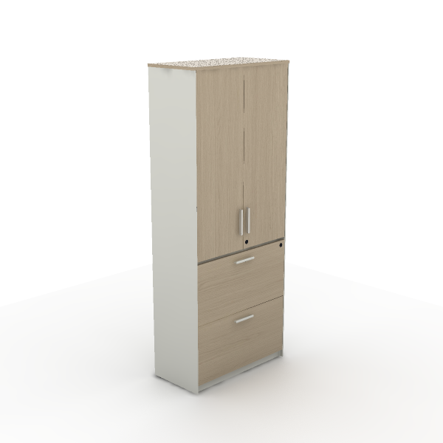 | Material Desctription: 1)Two-door two-drawer file cabinet body, includes two lower drawers 2)Cabinet: the main body surface covered with impregnated melamine paper. E0 grade particleboard 3)Edge Banding: the cabinet uses PVC edge banding strips, thickness 1mm 4)Slide Rail: high-quality slide rail 5)Lock: ordinary front lock |  |  | 3 | 0.20 m³ | 0.60 m³ | $329.00 | $164.50 | $493.50
51 | ESTACION DE 2 DE 1400CM | 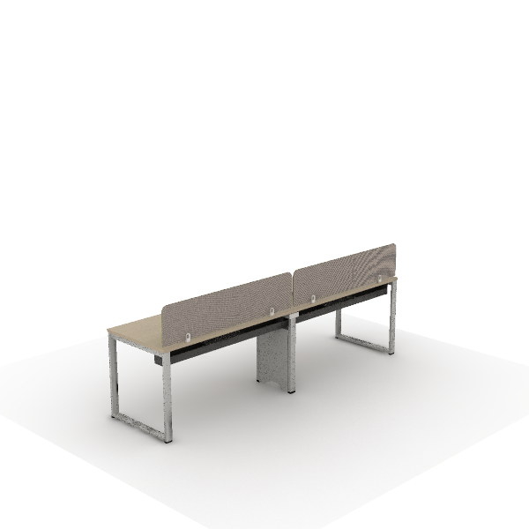 | Material Desctription: 1)Straight employee desk, steel legs on both sides 2)Tabletop: 25mm, surface uses impregnated melamine paper for excellent stability, superior layering, strong resistance to dirt and wear; E0 grade particle board 3)Edge banding: the tabletop uses PVC edge banding strips, thickness 2.5mm 4)Middle Steel Legs: high-quality cold-rolled steel, 1.5~2.0mm, surface electrostatic powder coating. 5)Beam: high-quality cold-rolled steel, with an electrostatic powder coating on the surface, 1.5mm thickness |  |  | 1 | 0.63 m³ | 0.63 m³ | $539.00 | $269.50 | $269.50
52 | estacion de 3 de 1400cm | 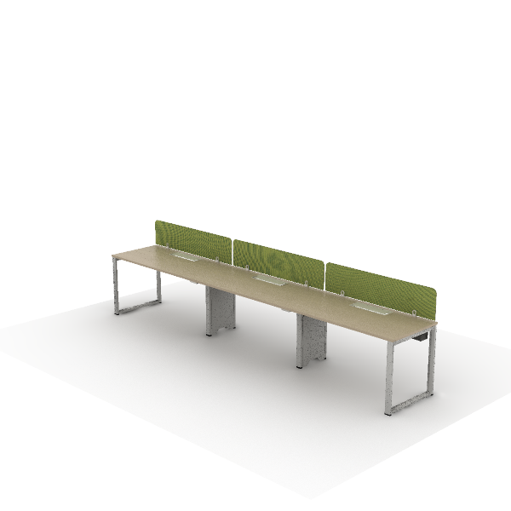 | Material Desctription: 1)Straight employee desk, steel legs on both sides 2)Tabletop: 25mm, surface uses impregnated melamine paper for excellent stability, superior layering, strong resistance to dirt and wear; E0 grade particle board 3)Edge banding: the tabletop uses PVC edge banding strips, thickness 2.5mm 4)Middle Steel Legs: high-quality cold-rolled steel, 1.5~2.0mm, surface electrostatic powder coating. 5)Beam: high-quality cold-rolled steel, with an electrostatic powder coating on the surface, 1.5mm thickness |  |  | 2 | 0.96 m³ | 1.91 m³ | $801.00 | $400.50 | $801.00
53 | DMA28-2 Wall-Mounted Overhead Storage |  | Material Desctription: 1)Wall cabinet with sliding door 2)Cabinet: the main body surface covered with impregnated melamine paper. E0 grade particleboard 3)Edge Banding: the cabinet uses PVC edge banding strips, thickness 1mm 4)Sliding Door: polyester fiber, formaldehyde-free | 1,500*400*400 mm | Primary Color: S-66 Eucalyptus Accent Color: S-57 Warm White | 5 | 0.06 m³ | 0.28 m³ | $142.00 | $71.00 | $355.00
54 | DU53 High desk of face-to-face desk | 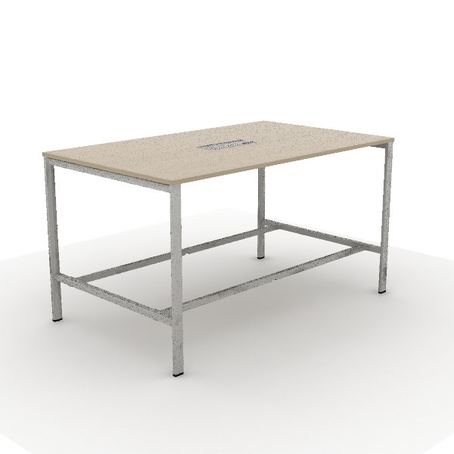 | Material Desctription: 1)Tabletop: 25mm, surface uses impregnated melamine paper for excellent stability, superior layering, strong resistance to dirt and wear; E0 grade particle board 2)Edge banding: the tabletop uses PVC edge banding strips, thickness 2.5mm 3)Table Legs: square-shaped steel legs, high-quality cold-rolled steel, 1.5~1.8mm,surface electrostatic powder coating . 4)Beam: high-quality cold-rolled steel, with an electrostatic powder coating on the surface, 1.5mm thickness 5)Cable Box: dual-flip cover, made of aluminum alloy | 2,000*1,200*1,100 mm | Primary Color: S-77 White oak Metal Color: White Textured | 1 | 0.30 m³ | 0.30 m³ | $488.00 | $244.00 | $244.00
55 | CHT22SW H2 Task Chair | 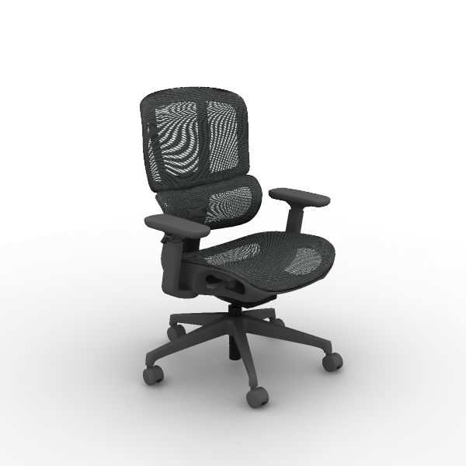 | Material Desctription: 1)Finishing: high-quality mesh, dry rubbing fastness ≥ 4, abrasion resistance ≥ 6000 cycles 2)Chair Back: nylon + 30% fiberglass integrated back frame 3)Armrests: 4D, PU armrests 4)Chair Bases: Zhongtai mechanism 5)Gas Cylinder: SAMHONGSA Class 3 gas lift cylinder, travel 75 ±3mm 6)5-Star Bases: 700mm diameter nylon 5-star base 7)Chair Casters: Silent PU casters 8)Chair Back Adjustment: lower back forward/backward adjustment by 52mm, with 9-level locking function 9)4D Armrests: armrests adjustable vertically by 83mm, rotatable left and right by 30°, forward and sliding backward by 40mm, width adjustable by 15mm 10)Chair Base Adjustment: Line-controlled STG backrest synchronous tilt, four-position lock, automatic counterweight mechanism does not require adjustment of tilt force, seat cushion can slide forward and backward | 700*645*970 mm | Back: CW-HY21B Grey Seat Color: CW-HP21 Grey | 8 |  | 0.00 m³ | $357.00 | $178.50 | $1,428.00
56 | DG62-2 Tea cabinet |  | Material Desctription: 1)Two-door file cabinet with glass doors 2)Cabinet: the main body surface covered with impregnated melamine paper. E0 grade particleboard 3)Door Panel: glass panel door with embedded glass, made of E0 grade particle board, 5mm tempered glass 4)Edge Banding: the cabinet uses PVC edge banding strips, thickness 1mm 5)Hinges: damping buffer hinge 6)Handles: ABS | 1,050*400*808 mm | Main Color: S-83 Kata White oak Secondary color: S-57 Warm White | 1 | 0.17 m³ | 0.17 m³ | $177.00 | $88.50 | $88.50
57 | DCP25 Mobile Storage Cabinet |  | Material Desctription: 1)Cabinet: 1mm SPCC cold-rolled steel, electrostatic powder coating 2)Padding Board: 3mm polyester fiberboard 3)Casters: threaded stem wheels, nylon | 240*570*480 mm |  | 8 |  | 0.00 m³ | $111.00 | $55.50 | $444.00
- OFICINA DIRECTOR |  |  |  |  |  |  |  |  | - OFICINA DIRECTOR Tot.Price : | $5,313.50
58 | SILLON DIRECCION U11 |  | Material Desctription: 1)Finishing: three-proof fabric, dry rubbing color fastness grade 3-4, wet rubbing color fastness ≥ grade 3, abrasion resistance ≥ 12000 cycles, water repellency ≥ grade 3, oil repellency ≥ grade 4, stain resistance ≥ grade 4 2)Foam:?"Sinomax" high resilience foam, seat density ≥31kg/m3, other parts ≥20kg/m3 3)Upholstery Filling: seat cushion, high-quality duck down + 6D polyester fabric, soft and comfortable 4)Upholstery Filling: backrest, high-quality duck down + 6D polyester fabric, soft and comfortable 5)Sofa Legs: steel + square tube, electrostatic powder coating surface, leg thickness 10mm, tube thickness 2.0mm |  |  | 1 | 1.48 m³ | 1.48 m³ | $1,376.00 | $688.00 | $688.00
59 | SA90.1.CN-ZP Single Seat Sofa |  | Material Desctription: 1)Leather: seat cushion and backrest use first-layer lychee-patterned cowhide, armrests use silicone leather, other parts use PVC artificial leather; cowhide dry rubbing color fastness ≥4, wet rubbing color fastness ≥3, abrasion resistance (CS-10, 500g, 500r) with no significant damage or peeling 2)Foam:?"Sinomax" high resilience foam, seat density ≥31kg/m3, other parts ≥20kg/m3 3)Sofa Legs: steel sofa legs with electrostatic powder coating, 1.8mmthicknesshollow track pipe | 870*930*830 mm | Genuine leather in touchable surface: ZP9815 Yellowish Brown | 2 | 0.46 m³ | 0.92 m³ | $1,342.00 | $671.00 | $1,342.00
60 | CCP61SR Coupe II Task chair |  | Material Desctription: 1)Leather: water-based leather, dry rubbing fastness ≥ 4, flex resistance 30000 cycles without surface cracks 2)Seat Cushion: molded foam, density ≥ 55kg/m3, equipped with E1 grade bentwood board, PP seat shell, weight capacity 102kg 3)Chair Bases: High-quality mechanism 4)Gas Cylinder: SAMHONGSA class 3 gas cylinder, 73±3mm 5)5-Star Bases: 700mm diameter aluminum alloy 5-star base 6)Chair Casters: PU casters 7)Chair Base Adjustment: STG backrest synchronous tilt, four-position lock, knob adjustable tilt tension | 760*640*1,025 mm | Main Color: TP-PV10 Black with Lichee Pattern Wood Veneer: W-29B Mountain Walnut | 6 |  | 0.00 m³ | $588.00 | $294.00 | $1,764.00
61 | EN70-2 Varna Occasional Table |  | Material Desctription: 1)Square negotiation table with round aluminum base 2)Tabletop: 26mm, E0 grade particle board 3)Veneer:natural wood veneer ≥0.4mm on wood grain parts 4)Table Legs: 45° angled aluminum alloy beveled legs, polished surface 5)Cable management: tabletop wiring hole for cables | 1,500*1,500*750 mm | Main Color: W-33B White Oak Steel Leg Color: Polishing Cable Box Matched: Global | 1 | 0.23 m³ | 0.23 m³ | $1,346.00 | $673.00 | $673.00
62 | T226 Occasional table |  | Material Desctription: 1)Square coffee table with wooden base 2)Tabletop: 40mm, E0 grade MDF 3)Leg Frame: main body uses E0 grade MDF/particle board 4)Paint: uses water-based environmentally friendly paint | 1,400*700*420 mm | Surface Color: Marble Base Color: E-10 Meteor Gray | 1 | 0.28 m³ | 0.28 m³ | $985.00 | $492.50 | $492.50
63 | E903-2 File Cabinet |  | Material Desctription: 1)Four-door file cabinet 2)Cabinet: E0 grade MDF/particle board, natural wood veneer edge banding 3)Veneer:natural wood veneer ≥0.4mm on wood grain parts 4)Hinges: concealed hinge 5)Lock: double-door lock | 1,604*400*845 mm | Main Color: W-24B Walnut Auxiliar Color: E-11 Black | 1 | 0.23 m³ | 0.23 m³ | $708.00 | $354.00 | $354.00
 |  |  |  |  |  |  |  | 36.01 m³ |  | Tot.Price | $33,180.50

NOTE:
1) The alternative products in varying price ranges can be provided due to further requriement
2) Price would be adjusted as changed of specification/finishes
3) Formal purchase order, or signed & stamped proforma invoice are require to be provided before order proceeding
4) Upon order confirmation/delivery, changes, cancellation or return is unacceptable
5) The consignee of this purchase order is allowed to be nominated by the buyer
TERMS & CONDITIONS:
1) Trade Term: FOB Shanghai or Ningbo
2) Payment: BY T/T,30% AS DEPOSIT AND THE BALANCE SHOULD BE PAID BEFORE SHIPMENT
3) Delivery time: 30-35 working days after receiving deposit and order confirmation by sign and stamp
4) Storage & Delivery: Sunon will arrange for free storage in their warehouse for max 10days after completion of production & ready for shipment. If client fails to arrange
the pick-up & delivery within this stipulated time frame, then Sunon shall charge an additional warehouse storage fee at the rate of 0.4% per day on all the finished orders
5) If the exchange rate or the price of raw materials fluctuated over 5% since the last quotation offering date, Sunon has the right to adjust the prices accordingly
6) Validity: Before Jun 30th 2025
7) SHIPMENT: 10% MORE OR LESS IN QUANTITY AND AMOUNT ARE ALLOWED
BANK INFORMATION:
1) BANK NAME: BANK OF CHINA ZHEJIANG BRANCH
2) BENEFICIARY: SUNON TECHNOLOGY CO.,LTD.
3) BENEFICIARY'S ADDRESS: NO.35 NINGDONG ROAD XIAOSHAN ECONOMY AND TECHNOLOGY DEVELOPMENT ZONE, HANGZHOU, ZHEJIANG, CHINA
4) SWIFT CODE: BKCHCNBJ910
5) USD ACCOUNT NUMBER: 354563110800
6) BANK ADDRESS: 321#, FENGQI ROAD, HANGZHOU, ZHEJIANG, CHINA
7) POST CODE: 311200
 |  | For Buyer |  |  |  |  |  |  |  | For Seller
 |  | Authorized Signature or Seal |  |  |  |  |  |  |  | Authorized Signature or Seal

